Test Cases
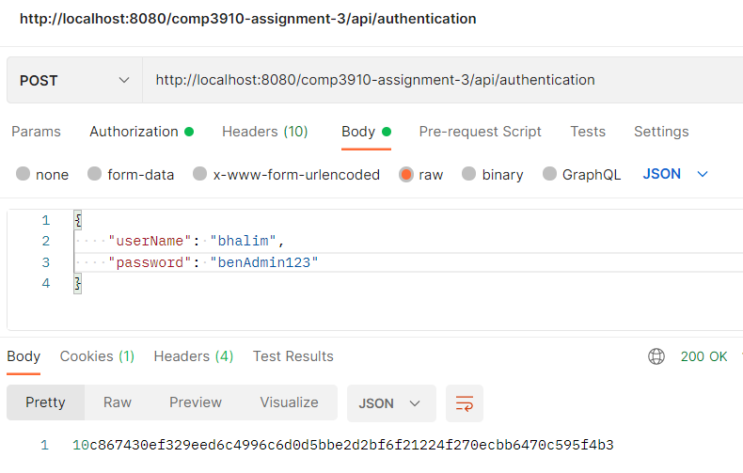
Function | Test Case | Step | Description of Step | Expected Result | Actual Result | PASS/FAIL | Comments | Postman Screenshots
Authentication | Successful authentication with Benedict Halim user | 1 | Create POST request on Postman with the URI endpoint /authentication |  |  |  |  | Successful Authentication example
 |  | 2 | In Body, select Raw and JSON format
 |  | 3 | Paste in the following JSON: {"userName": "bhalim", "password": "benAdmin123"}
 |  | 4 | Click on "Send" | A hex string is returned as a response. | Same as expected | PASS

 | Successful authentication with Leon Wu user | 1 | Create POST request on Postman with the URI endpoint /authentication
 |  | 2 | In Body, select Raw and JSON format
 |  | 3 | Paste in the following JSON: {"userName": "lwu", "password": "leonUser123"}
 |  | 4 | Click on "Send" | A hex string is returned as a response. | Same as expected | PASS

 | Authenticating with incorrect password | 1 | Create POST request on Postman with the URI endpoint /authentication
 |  | 2 | In Body, select Raw and JSON format
 |  | 3 | Use either "bhalim" or "lwu" as the JSON value for the "userName" key
 |  | 4 | Enter an incorrect password string
 |  | 5 | Click on "Send" | "Password is invalid!" is returned as a response | Same as expected | PASS

 | Authenticating with incorrect user | 1 | Create POST request on Postman with the URI endpoint /authentication
 |  | 2 | In Body, select Raw and JSON format
 |  | 3 | Enter any value other than "bhalim" or "lwu" as the JSON value for the "userName" key
 |  | 4 | Click on "Send" | "Cannot find user with username: <username>" is returned as a response | Same as expected | PASS |  | Successful Credential GET example
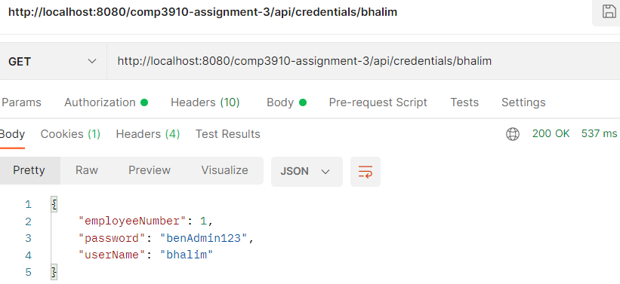
Admin Credentials GET | GET self's credentials | 1 | Create GET request on Postman with the URI endpoint /credentials/bhalim
 |  | 2 | Under "Authorization" > "Type", select "Bearer" and paste in authentication token (bhalim)
 |  | 3 | Click on "Send" | JSON object containing credentials is returned as a response | Same as expected | PASS

 | GET another existing user's credentials | 1 | Create GET request on Postman with the URI endpoint /credentials/lwu
 |  | 2 | Under "Authorization" > "Type", select "Bearer" and paste in authentication token (bhalim)
 |  | 3 | Click on "Send" | JSON object containing credentials is returned as a response | Same as expected | PASS

 | GET non-existent user's credentials | 1 | Create GET request on Postman with the URI endpoint /credentials/abc
 |  | 2 | Under "Authorization" > "Type", select "Bearer" and paste in authentication token (bhalim)
 |  | 3 | Click on "Send" | "404 Not Found" response | Same as expected | PASS

Admin Credentials PATCH | PATCH self's credentials | 1 | Create PATCH request on Postman with the URI endpoint /credentials/1
 |  | 2 | Under "Authorization" > "Type", select "Bearer" and paste in authentication token (bhalim)
 |  | 3 | In Body, select Raw and JSON format
 |  | 4 | Paste in JSON: {"userName: "b", "password": "1"} |  |  |  |  | Successful Credential PATCH example
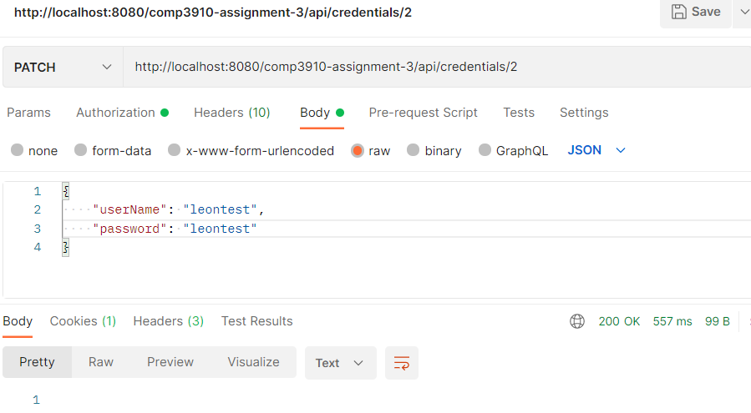
 |  | 5 | Click Send | "200 OK" response, userName and password changed in database | Same as expected | PASS

 | PATCH self's credentials after changing userName | 1 | Do above test
 |  | 2 | Repeat above test | "200 OK" response | 500 Internal Server Error | FAILED | Reload datasource to fix

 | PATCH self's employeeNumber | 1 | Create PATCH request on Postman with the URI endpoint /credentials/1
 |  | 2 | Under "Authorization" > "Type", select "Bearer" and paste in authentication token (bhalim)
 |  | 3 | In Body, select Raw and JSON format
 |  | 4 | Paste in JSON: {"employeeNumber: "0", "userName: "bhalim", "password": "benAdmin123"}
 |  | 5 | Click Send | "200 OK" response but fields unchanged in database | Same as expected | PASS | Should not be able to change employee number

 | PATCH another user's credentials | 1 | Create PATCH request on Postman with the URI endpoint /credentials/2
 |  | 2 | Under "Authorization" > "Type", select "Bearer" and paste in authentication token (bhalim)
 |  | 3 | In Body, select Raw and JSON format
 |  | 4 | Paste in JSON: {"employeeNumber: "0", "userName": "test", "password": "test"}
 |  | 5 | Click Send | "200 OK" response, userName and password changed but employeeNumber unchanged | Same as expected | PASS | No such issue as above when repeated

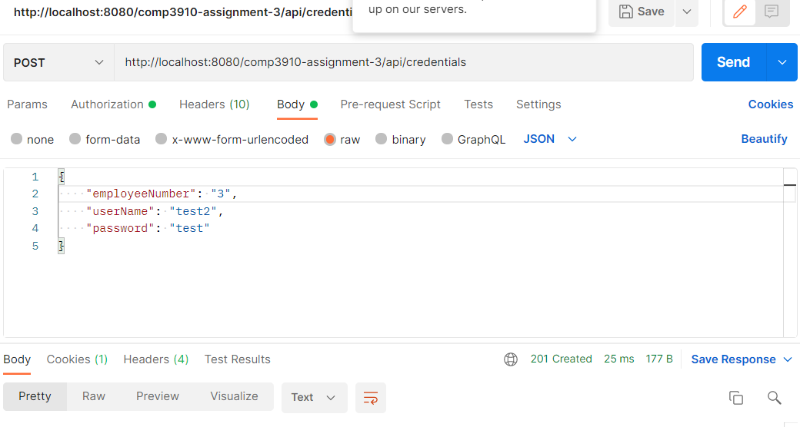
Admin Credentials POST | POST credentials with unique employeeNumber and userName | 1 | Create POST request on Postman with the URI endpoint /credentials
 |  | 2 | Under "Authorization" > "Type", select "Bearer" and paste in authentication token (bhalim) |  |  |  |  | Successful Credential POST example
 |  | 3 | In Body, select Raw and JSON format
 |  | 4 | Paste in JSON: {"employeeNumber: "3", "userName": "test2", "password": "test"} | "201 Created" response, credential and corresponding employee created in database | Same as expected | PASS

 | POST credentials with non-unique employeeNumber or userName | 1 | Do above test
 |  | 2 | Repeat above test | "200 OK" response but fields unchanged in database | Same as expected | PASS

User Credentials GET (non-admin) | GET self's credentials | 1 | Create GET request on Postman with the URI endpoint /credentials/lwu
 |  | 2 | Under "Authorization" > "Type", select "Bearer" and paste in authentication token (lwu)
 |  | 3 | Click on "Send" | JSON object containing credentials is returned as a response | Same as expected | PASS

 | GET another existing user's credentials | 1 | Create GET request on Postman with the URI endpoint /credentials/bhalim
 |  | 2 | Under "Authorization" > "Type", select "Bearer" and paste in authentication token (lwu)
 |  | 3 | Click on "Send" | "401 Unauthorized" response | Same as expected | PASS

 | GET non-existent user's credentials | 1 | Create GET request on Postman with the URI endpoint /credentials/abc
 |  | 2 | Under "Authorization" > "Type", select "Bearer" and paste in authentication token (lwu)
 |  | 3 | Click on "Send" | "401 Unauthorized" response | Same as expected | PASS
 |  |  |  |  |  |  |  | Unauthorized PATCH of another user's credentials as a non-admin user
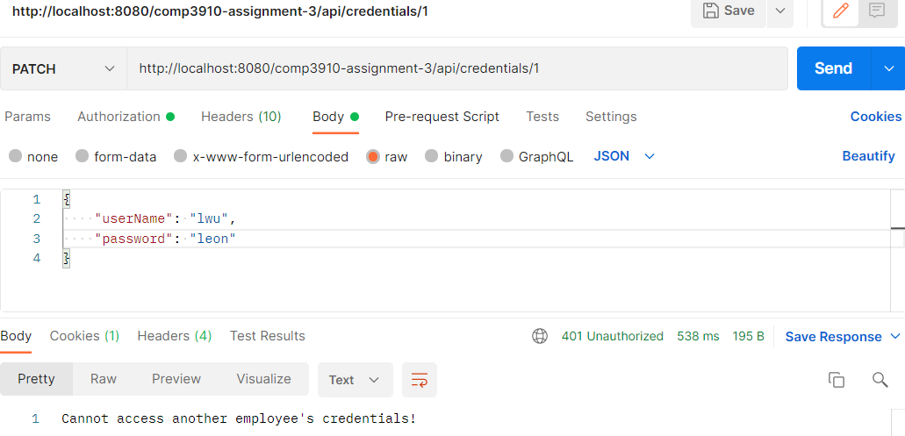
User Credentials PATCH (non-admin) | PATCH self's credentials | 1 | Create PATCH request on Postman with the URI endpoint /credentials/2
 |  | 2 | Under "Authorization" > "Type", select "Bearer" and paste in authentication token (lwu)
 |  | 3 | In Body, select Raw and JSON format
 |  | 4 | Paste in JSON: {"userName: "b", "password": "1"}
 |  | 5 | Click "Send" | "200 OK" response, userName and password changed in database | Same as expected | PASS

 | PATCH self's employeeNumber | 1 | Create PATCH request on Postman with the URI endpoint /credentials/2
 |  | 2 | Under "Authorization" > "Type", select "Bearer" and paste in authentication token (lwu)
 |  | 3 | In Body, select Raw and JSON format
 |  | 4 | Paste in JSON: {"employeeNumber: "0", "userName: "bhalim", "password": "benAdmin123"}
 |  | 5 | Click "Send" | "200 OK" response but fields unchanged in database | Same as expected | PASS

 | PATCH another user's credentials | 1 | Create PATCH request on Postman with the URI endpoint /credentials/1
 |  | 2 | Under "Authorization" > "Type", select "Bearer" and paste in authentication token (lwu)
 |  | 3 | In Body, select Raw and JSON format
 |  | 4 | Paste in JSON: {"employeeNumber: "0", "userName": "test", "password": "test"}
 |  | 5 | Click "Send" | "401 Unauthorized" response | Same as expected | PASS

User Credentials POST (non-admin) | POST credentials as a non-admin | 1 | Create POST request on Postman with the URI endpoint /credentials
 |  | 2 | Under "Authorization" > "Type", select "Bearer" and paste in authentication token (lwu)
 |  | 3 | In Body, select Raw and JSON format
 |  | 4 | Paste in JSON: {"employeeNumber: "3", "userName": "test2", "password": "test"} |  |  |  |  | Unauthorized POST credentials as a non-admin user
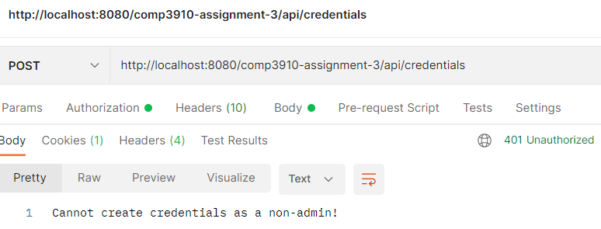
 |  | 5 | Click "Send" | "401 Unauthorized" response | Same as expected | PASS

Admin Employees CRUD | GET all employees | 1 | Create GET request on Postman with the URI endpoint /employees
 |  | 2 | Under "Authorization" > "Type", select "Bearer" and paste in authentication token (bhalim)
 |  | 3 | Click "Send" | "200 OK" response and JSON objects containing employee objects | Same as expected | PASS

 | GET employee via employeeNumber | 1 | Create GET request on Postman with the URI endpoint /employees/2
 |  | 2 | Under "Authorization" > "Type", select "Bearer" and paste in authentication token (bhalim)
 |  | 3 | Click "Send" | "200 OK" response and JSON object containing employee with employeeNumber = 2 | Same as expected | PASS

 | PATCH to update employee's fields | 1 | Create PATCH request on Postman with the URI endpoint /employees/1
 |  | 2 | Under "Authorization" > "Type", select "Bearer" and paste in authentication token (bhalim)
 |  | 3 | In Body, select Raw and JSON format
 |  | 4 | Paste in JSON: {"employeeNumber: "3", "userName": "test2", "password": "test"} | "200 OK" response and employee in datasource is updated | "200 OK" response but no update in datasource | FAILED
 |  |  |  |  |  |  |  | POST to add employee as admin
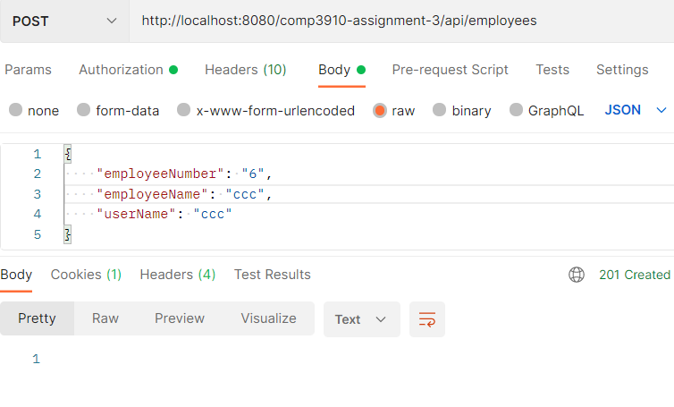
 | POST to add employee | 1 | Create GET request on Postman with the URI endpoint /employees
 |  | 2 | Under "Authorization" > "Type", select "Bearer" and paste in authentication token (bhalim)
 |  | 3 | In Body, select Raw and JSON format
 |  | 4 | Paste in JSON: {"employeeNumber: "4", "userName": "test3", "password": "test"} | "201 Created" response and new employee created in datasource | Same as expected | PASS

 | DELETE employee | 1 | Create DELETE request on Postman with the URI endpoint /employees/4 (created from above)
 |  | 2 | Under "Authorization" > "Type", select "Bearer" and paste in authentication token (bhalim)
 |  | 3 | Click "Send" | "200 OK" response and corresponding in datasource is deleted | Same as expected | PASS

User Employees CRUD (non-admin) | GET all employees | 1 | Create GET request on Postman with the URI endpoint /employees
 |  | 2 | Under "Authorization" > "Type", select "Bearer" and paste in authentication token (lwu)
 |  | 3 | Click "Send" | "200 OK" response and JSON objects containing employee objects | Same as expected | PASS

 | GET employee via employeeNumber | 1 | Create GET request on Postman with the URI endpoint /employees/2
 |  | 2 | Under "Authorization" > "Type", select "Bearer" and paste in authentication token (lwu)
 |  | 3 | Click "Send" | "200 OK" response and JSON object containing employee with employeeNumber = 2 | Same as expected | PASS |  | Unauthorized DELETE Employee via non-admin user
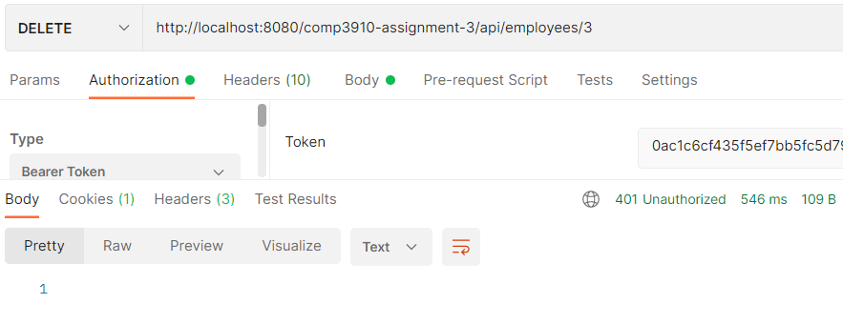
 | PATCH to update employee's fields | 1 | Create PATCH request on Postman with the URI endpoint /employees/<any id>
 |  | 2 | Under "Authorization" > "Type", select "Bearer" and paste in authentication token (lwu)
 |  | 3 | In Body, select Raw and JSON format
 |  | 4 | Paste in JSON: {"employeeNumber: "3", "userName": "test2", "password": "test"} | "401 Unauthorized" | Same as expected | PASS

 | POST to add employee | 1 | Create GET request on Postman with the URI endpoint /employees
 |  | 2 | Under "Authorization" > "Type", select "Bearer" and paste in authentication token (lwu)
 |  | 3 | In Body, select Raw and JSON format
 |  | 4 | Paste in JSON: {"employeeNumber: "4", "userName": "test3", "password": "test"} | "401 Unauthorized" | Same as expected | PASS

 | DELETE employee | 1 | Create DELETE request on Postman with the URI endpoint /employees/<any id>
 |  | 2 | Under "Authorization" > "Type", select "Bearer" and paste in authentication token (lwu)
 |  | 3 | Click "Send" | "401 Unauthorized" | Same as expected | PASS |  | GET all timesheets as admin
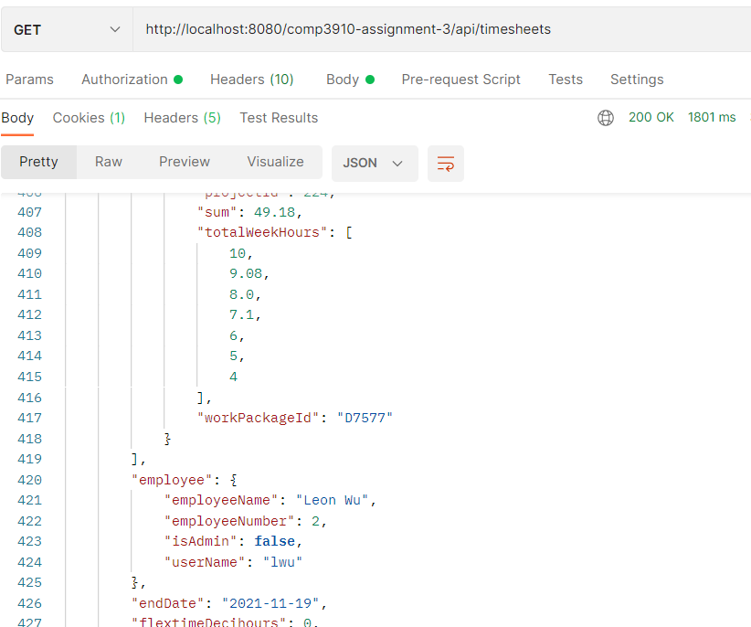
Admin Timesheet CRUD | GET all timesheets | 1 | Create GET request on Postman with the URI endpoint /timesheets
 |  | 2 | Under "Authorization" > "Type", select "Bearer" and paste in authentication token (bhalim)
 |  | 3 | Click "Send" | "200 OK" response and JSON of all timesheets returned | Same as expected | PASS

 | GET timesheet with specific ID | 1 | Create GET request on Postman with the URI endpoint /timesheets/<any id>
 |  | 2 | Under "Authorization" > "Type", select "Bearer" and paste in authentication token (bhalim)
 |  | 3 | Click "Send" | "200 OK" response and JSON of timesheet returned | Same as expected | PASS

 | PATCH timesheet with specific ID | 1 | Create PATCH request on Postman with the URI endpoint /timesheets/3 <or any id>
 |  | 2 | Under "Authorization" > "Type", select "Bearer" and paste in authentication token (bhalim)
 |  | 3 | In Body, select Raw and JSON format
 |  | 4 | Paste in JSON: { "employeeNumber": "1", "endDate": "2021-11-05" }
 |  | 5 | Click "Send" | "200 OK" response and timesheet updated in datasource | "200 OK" response but timesheet not updated | FAILED

 | POST to add timesheet | 1 | Create POST request on Postman with the URI endpoint /timesheets
 |  | 2 | Under "Authorization" > "Type", select "Bearer" and paste in authentication token (bhalim)
 |  | 3 | In Body, select Raw and JSON format
 |  | 4 | Paste in JSON: { "employeeNumber": "1", "endDate": "2021-11-05" , "timesheetId": "5"} | "201 Created" response and new timesheet created in datasource | NullPointerException | FAILED

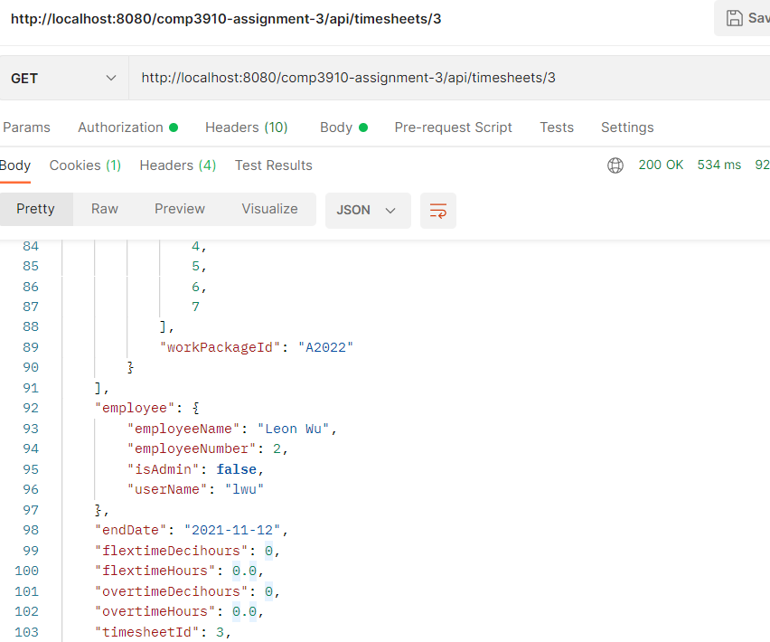
User Timesheet CRUD (Non-admin) | GET all timesheets | 1 | Create GET request on Postman with the URI endpoint /timesheets |  |  |  |  | GET timesheet belonging to self as non-admin user
 |  | 2 | Under "Authorization" > "Type", select "Bearer" and paste in authentication token (lwu)
 |  | 3 | Click "Send" | "401 Unauthorized" | Same as expected | PASS

 | GET timesheet with specific ID (belongs to self) | 1 | Create GET request on Postman with the URI endpoint /timesheets/<any id belonging to self>
 |  | 2 | Under "Authorization" > "Type", select "Bearer" and paste in authentication token (lwu)
 |  | 3 | Click "Send" | "200 OK" response and JSON of timesheet returned | Same as expected | PASS

 | GET timesheet belonging to another employee | 1 | Create GET request on Postman with the URI endpoint /timesheets/<any other id>
 |  | 2 | Under "Authorization" > "Type", select "Bearer" and paste in authentication token (lwu)
 |  | 3 | Click "Send" | "401 Unauthorized" | Same as expected | PASS

 | PATCH timesheet with specific ID | 1 | Create PATCH request on Postman with the URI endpoint /timesheets/2
 |  | 2 | Under "Authorization" > "Type", select "Bearer" and paste in authentication token (lwu)
 |  | 3 | In Body, select Raw and JSON format
 |  | 4 | Paste in JSON: { "employeeNumber": "1", "endDate": "2021-11-05" }
 |  | 5 | Click "Send" | "200 OK" response and timesheet updated in datasource | "200 OK" response but timesheet not updated | FAILED

 | POST to add timesheet | 1 | Create POST request on Postman with the URI endpoint /timesheets
 |  | 2 | Under "Authorization" > "Type", select "Bearer" and paste in authentication token (lwu)
 |  | 3 | In Body, select Raw and JSON format
 |  | 4 | Paste in JSON: { "employeeNumber": "2", "endDate": "2021-11-05" , "timesheetId": "5"} | "201 Created" response and new timesheet created in datasource | NullPointerException | FAILED

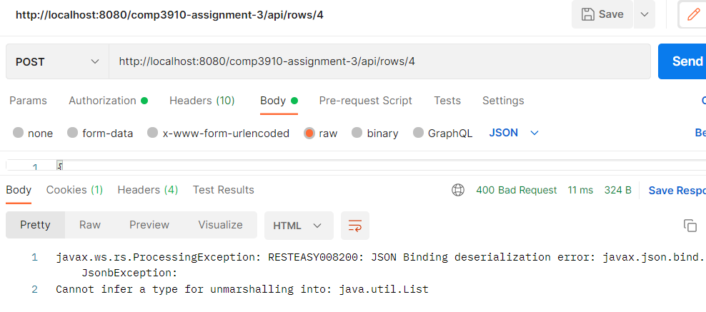
Admin TimesheetRows CRUD | GET timesheetRow with specific ID | 1 | Create GET request on Postman with the URI endpoint /rows/<any id> |  |  |  |  | ProcessingException when POSTing a new timesheetRow
 |  | 2 | Under "Authorization" > "Type", select "Bearer" and paste in authentication token (bhalim)
 |  | 3 | Click "Send" | "200 OK" response and JSON of timesheetRow returned | Same as expected | PASS

 | PATCH timesheetRow with specific ID | 1 | Create PATCH request on Postman with the URI endpoint /rows/<any id>
 |  | 2 | Under "Authorization" > "Type", select "Bearer" and paste in authentication token (bhalim)
 |  | 3 | In Body, select Raw and JSON format
 |  | 4 | Paste in JSON: { "projectId": "1", "workPackageId": "1", "totalWeekHours": [0,0,0,0,0,0,0], "notes": "1" }
 |  | 5 | Click "Send" | "200 OK" response and timesheetRow updated in datasource | ProcessingException | FAILED

 | POST timesheetRow with specific ID | 1 | Create POST request on Postman with the URI endpoint /rows/<any id>
 |  | 2 | Under "Authorization" > "Type", select "Bearer" and paste in authentication token (bhalim)
 |  | 3 | In Body, select Raw and JSON format
 |  | 4 | Paste in JSON: { "projectId": "1", "workPackageId": "1", "totalWeekHours": [0,0,0,0,0,0,0], "notes": "1" }
 |  | 5 | Click "Send" | "200 OK" response and timesheetRow updated in datasource | ProcessingException | FAILED
 |  |  |  |  |  |  |  | Processing Exception when on PATCH attempt with timesheetRows as non-admin user
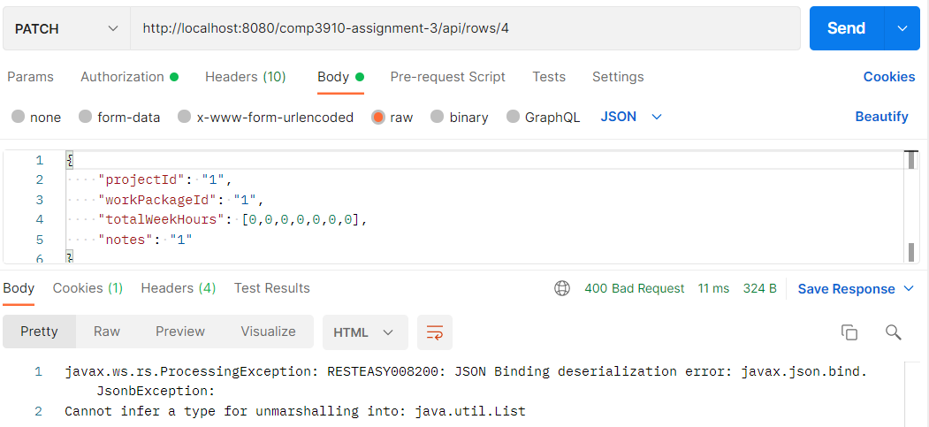
User TimesheetRows CRUD | GET timesheetRow with specific ID belonging to self | 1 | Create GET request on Postman with the URI endpoint /rows/<any id belonging to self>
 |  | 2 | Under "Authorization" > "Type", select "Bearer" and paste in authentication token (lwu)
 |  | 3 | Click "Send" | "200 OK" response and JSON of timesheetRow returned | Same as expected | PASS

 | GET timesheetRow with specific ID belonging to another employee | 1 | Create GET request on Postman with the URI endpoint /rows/<any id not belonging to self>
 |  | 2 | Under "Authorization" > "Type", select "Bearer" and paste in authentication token (lwu)
 |  | 3 | Click "Send" | "200 OK" response and JSON of timesheetRow returned | Same as expected | PASS

 | PATCH timesheetRow with specific ID | 1 | Create PATCH request on Postman with the URI endpoint /rows/<any id>
 |  | 2 | Under "Authorization" > "Type", select "Bearer" and paste in authentication token (lwu)
 |  | 3 | In Body, select Raw and JSON format
 |  | 4 | Paste in JSON: { "projectId": "1", "workPackageId": "1", "totalWeekHours": [0,0,0,0,0,0,0], "notes": "1" }
 |  | 5 | Click "Send" | "200 OK" response and timesheetRow updated in datasource | ProcessingException | FAILED

 | POST timesheetRow with specific ID | 1 | Create POST request on Postman with the URI endpoint /rows/<any id>
 |  | 2 | Under "Authorization" > "Type", select "Bearer" and paste in authentication token (lwu)
 |  | 3 | In Body, select Raw and JSON format
 |  | 4 | Paste in JSON: { "projectId": "1", "workPackageId": "1", "totalWeekHours": [0,0,0,0,0,0,0], "notes": "1" }
 |  | 5 | Click "Send" | "200 OK" response and timesheetRow updated in datasource | ProcessingException | FAILED

